dim_transactions
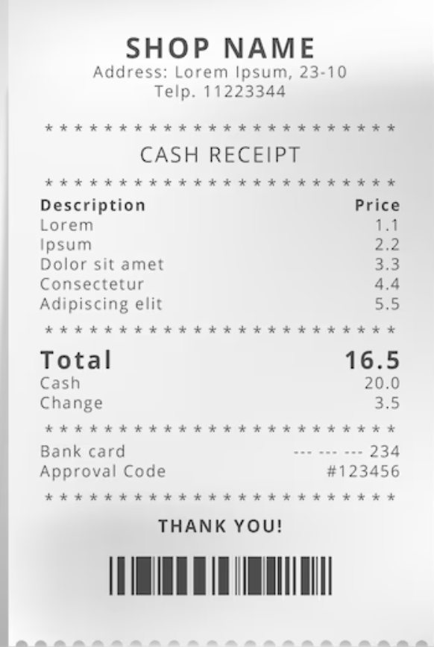
Column Name | Data Type | Description
invoice_no (PK) | INT | Unique transaction ID.
category | VARCHAR(50) | Product category purchased.
quantity | INT | Number of items bought.
price | FLOAT | Total price of transaction.
shopping_mall | VARCHAR(50) | Location of the purchase.
invoice_date | DATE | Date of purchase.

